Terminal Value
Terminal Value

A terminal growth rate is usually in line with the long-term inflation rate but not higher than the historical gross domestic product (GDP) growth rate. |  |  |  |  |  |  |  | (source- https://www.investopedia.com/terms/t/terminalvalue.asp#:~:text=Terminal%20value%20is%20calculated%20by,value%20after%20the%20forecast%20period. )

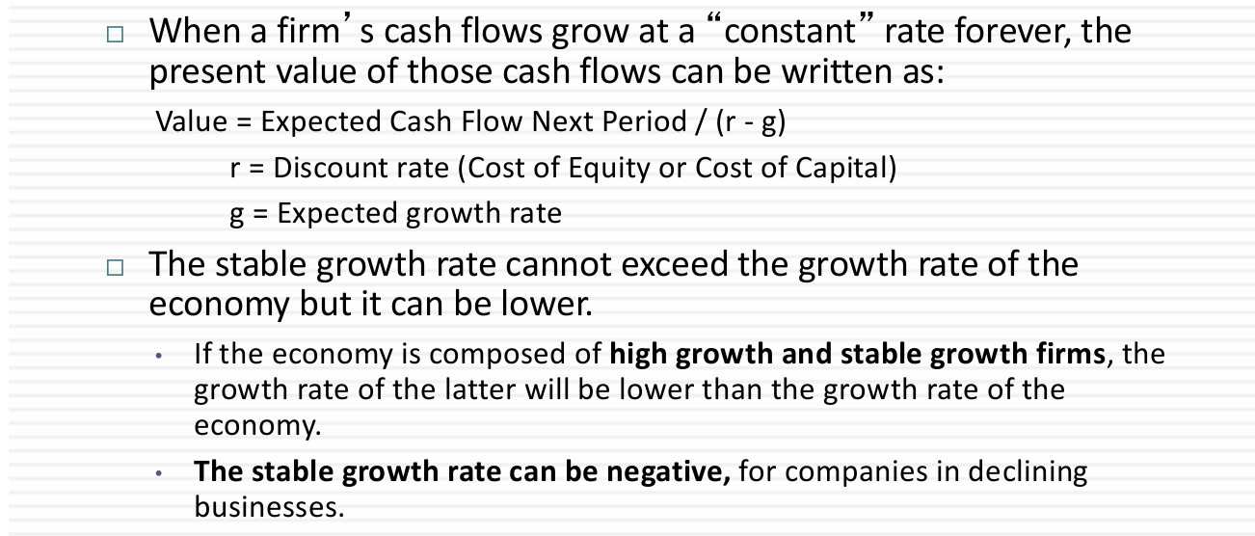
LT inflation rate of India | 6.70% |  | Fiscal Year | FCF
Historical GDP growth rate | 7.24% |  | 2020 | 407.876
TGR | 6.97% | (Average of both) | 2021 | 786.662
WACC | 7.53% |  | 2022 | 316.569
 |  |  | 2023 | 743.628
Using the Perpetual Growth Rate Method |  |  | 2024 | 4yr CAGR of FCF(%) | 16.20020537 | Future FCF
 |  |  | 2025 |  |  | 864.0972632
 |  |  | 2026 |  |  | 1004.082794
 |  |  | 2027 |  |  | 1166.746269
 |  |  | 2028 |  |  | 1355.761561
 |  |  | 2029 |  |  | 1575.397718
 |  |  | 2030 |  |  | 1830.615384
 |  |  | 2031 |  |  | 2127.178835
Terminal Value = | 637527.11 |  | 2032 |  |  | 2471.786175 | All no.s are in Cr INR
Using the Perpetual Growth Method |  |  | 2033 |  |  | 2872.220612
 |  |  | 2034 |  |  | 3337.526249

DCF
DCF

 | Fiscal year | Revenue | Revenue Growth(%) | Tax Rate | Expenses | Expenses in % | Gross Profit | EBIT | EBIT Growth % | EBIT(1-T) | OM Growth % | FCF
 | 2020 | 29136.37 | 12.00% | 33.80% | 15981.20 | 54.85 | 21218.7 | 4873.00 | 17.80 | 3226.00 | 17.98 | 407.876
 | 2021 | 32468.10 | 11.00% | 25.26% | 18583.60 | 57.24 | 20443.4 | 4276.00 | -12.25 | 3195.88 | 14.97 | 786.662
 | 2022 | 42815.67 | 32.00% | 28.73% | 24289.60 | 56.73 | 22606.2 | 5507.00 | 28.79 | 3924.84 | 10.08 | 316.569
Base yr | 2023 | 55108.08 | 29.00% | 25.32% | 30140.00 | 54.69 | 29656.18 | 6010.00 | 9.13 | 4488.27 | 10.01 | 743.628
 | 2024 | 68708.75 | 24.68% | 25.78800% | 38392.61 | 55.88 | 30316.14 | 7100.89 | 18.15 | 5269.72 | 10.33 | 4yr CAGR of FCF(%) | 16.20020537 | Future FCF | Discount Factor | PV of FCFF
 | 2025 | 85666.07 | 24.68% | 26.25600% | 47867.91 | 55.88 | 37798.16 | 9131.83 | 28.60 | 6734.18 | 10.66 |  |  | 864.10 | 0.93 | 803.59
 | 2026 | 106808.46 | 24.68% | 26.72400% | 59681.71 | 55.88 | 47126.75 | 11732.72 | 28.48 | 8597.27 | 10.98 |  |  | 1004.08 | 0.86 | 868.38
 | 2027 | 130054.56 | 21.76% | 27.19200% | 72671.01 | 55.88 | 57383.55 | 14708.97 | 25.37 | 10709.31 | 11.31 |  |  | 1166.75 | 0.80 | 938.40
 | 2028 | 154567.99 | 18.85% | 27.66000% | 86368.46 | 55.88 | 68199.53 | 17983.79 | 22.26 | 13009.47 | 11.63 |  |  | 1355.76 | 0.75 | 1014.06
 | 2029 | 179195.08 | 15.93% | 28.12800% | 100129.42 | 55.88 | 79065.66 | 21431.55 | 19.17 | 15403.28 | 11.96 |  |  | 1575.40 | 0.70 | 1095.83
 | 2030 | 202521.16 | 13.02% | 28.59600% | 113163.41 | 55.88 | 89357.75 | 24879.57 | 16.09 | 17765.01 | 12.28 |  |  | 1830.62 | 0.65 | 1184.18
 | 2031 | 222978.69 | 10.10% | 29.06400% | 124594.53 | 55.88 | 98384.16 | 28117.50 | 13.01 | 19945.43 | 12.61 |  |  | 2127.18 | 0.60 | 1279.67
 | 2032 | 239001.31 | 7.19% | 29.53200% | 133547.54 | 55.88 | 105453.77 | 30914.76 | 9.95 | 21785.01 | 12.93 |  |  | 2471.79 | 0.56 | 1382.85
 | 2033 | 249206.66 | 4.27% | 30% | 139250.02 | 55.88 | 109956.64 | 33044.80 | 6.89 | 23131.36 | 13.26 |  |  | 2872.22 | 0.52 | 1494.35
 |  |  |  |  |  |  |  |  |  |  |  |  |  | 3337.53 | 0.48 | 1614.84
EBIT(1-T)
OM Growth %
 |  |  | CAGR till base year = 24.68% | Effective = 25.32%
 |  |  |  | Marginal = 30.00%
 |  |  |  |  |  |  | WACC | 7.53%
 |  |  |  |  | Revenue * E% |  | Terminal Value | 637527.11
Revenue Growth(%)
Expenses
 |  |  |  |  |  |  | PV of Terminal Value | 308462.3758

 |  |  |  |  |  |  | Enterprise Value | 320138.51

 |  |  |  |  |  |  | Enterprise Value to Equity Value
 |  |  |  |  |  |  | Cash | 2203.61
 |  |  |  |  |  |  | Cash Eq | 1,986
 |  |  |  |  |  |  | Short term Debt | 12,087.56
 |  |  |  |  |  |  | Long term Debt | 37,392.25
 |  |  |  |  |  |  | Equity Value | 274,848 | (in Cr)

 |  |  |  |  |  |  | Shares Outstanding | 3196991850.00
 |  |  |  |  |  |  | Implied Share Price | 8.60E-05
 |  |  |  |  |  |  |  | ₹ 860.00 | The share price is undervalued by 48.42%
 |  |  |  |  |  |  |  |  | Current Share Price = | ₹ 443.55

